Kit Order Form
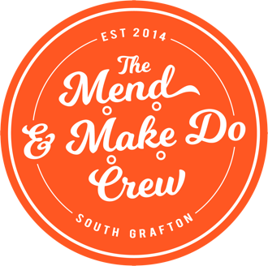
CLIENT AGENCY ORDER FORM (Orders from Homelessness Specific Organisations or Organisations with Emergency Relief contracts)
T H A N K Y O U
Please use the below fields to record your details.
Agency Name:
Contact Person:
Contact Number: |  |  |  |  | The Mend & Make Do Crew Incorporated
Contact Email: |  |  |  |  | Sheds 1 & 3, 46 Through Street
Order Date: | 2021-06-14 |  |  |  | South Grafton NSW 2460
Pick-up or Delivery: |  |  |  |  | ABN 82 381 606 718
Delivery Address (if required) |  |  |  |  | p. (02) 6643 4150
Street: |  |  |  |  | nerds@mendandmakedocrew.org
Suburb: |  |  |  |  | www.mendandmakedocrew.org
State: |  | Postcode:
We endeavour to email you once your order has been received. A Nerd will contact you within 1-2 business days to confirm your order requirements and advise when the order will be completed and ready for pick-up / delivery.

Please use the dropdown lists and text fields below to prepare your order.
CATEGORY | TYPE | QUANTITY | COLOUR PREFERENCE | NOTES / COMMENTS

ORDER TOTAL |  | 0 | T H A N K Y O U
Note: Availability of Bush Washing Machines varies due to availability of items. If available, we will fulfil as ordered. If not, we will contact you.
 | Category Totals |  | Please email your completed order form to: nerds@mendandmakedocrew.org
 | Toiletry | 0
 | Kitchen | 0
 | Linen | 0
 | Other | 0

